Clubs and Membership Numbers
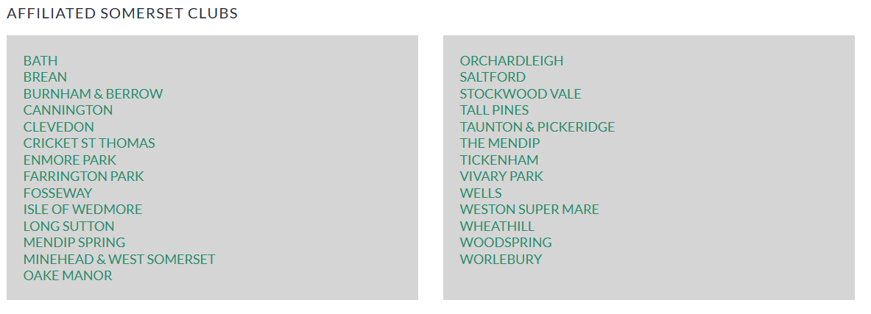
Somerset County Senior Ladies Golf Association Clubs and their Membership Numbers - 2024
Club | Total Number of Members | Paid Members | Honorary Members | Number of Members in 2023 | Difference in Membership Numbers in 2024
Bath (Sham Castle) | 21 | 21 | 0 | 17 | +4
Brean | 1 | 1 | 0 | 1 | 0
Burnham and Berrow | 31 | 31 | 0 | 30 | +1
Cannington | 0 | 0 | 0 | 0 | 0
Clevedon | 11 | 11 | 0 | 5 | +6
Cricket St Thomas | 1 | 1 | 0 | 2 | -1
Enmore | 9 | 9 | 0 | 12 | -3
Farrington Park | 0 | 0 | 0 | 3 | -3
Fossway | 0 | 0 | 0 | 0 | 0
Honorary Members Not Affiliated to a Club | 3 | 0 | 3 | 5 | -2
Isle of Wedmore | 18 | 18 | 1 | 31 | -13
Long Sutton | 29 | 29 | 2 | 26 | +3
Mendip Spring | 19 | 19 | 0 | 21 | -2
Minehead and West Somerset | 17 | 17 | 0 | 17 | 0
Oake Manor | 8 | 8 | 0 | 11 | -3
Orchardleigh | 13 | 13 | 0 | 12 | +1
Saltford | 18 | 17 | 1 | 17 | +1
Stockwood Vale | 12 | 11 | 1 | 16 | -4
Tall Pines | 1 | 1 | 0 | 1 | 0
Taunton and Pickeridge | 23 | 22 | 1 | 23 | 0
The Mendip | 5 | 5 | 0 | 22 | -17
Tickenham | 0 | 0 | 0 | 0 | 0
Vivary Park | 1 | 1 | 0 | 0 | +1
Wells | 18 | 17 | 1 | 18 | 0
Weston-super-Mare | 13 | 13 | 0 | 17 | -4
Wheathill | 20 | 20 | 0 | 22 | -2
Woodspring | 0 | 0 | 0 | 0 | 0
Worlebury | 19 | 19 | 0 | 13 | +6
Total Number of Affiliated Clubs | Number of Members in 2024 | Total Paid | Total Honorary Members | Number of Members in 2023 | Total Difference in Membership Numbers in 2024
27 | 311 | 304 | 10 | 342 | -31

Those clubs shaded pale yellow above are shown on the SCLGA website as affiliated Somerset Clubs, see below, but do not have any SCSLGA members.

